J Johnson
Name | Gender | Grade | Birthday | Student ID | Learning Coach | Contact Info. | Address | Email |  | Notes…
 |  |  |  |  |  |  |  |  |  | Why UTVA?
 |  |  |  |  |  |  |  |  |  | Internet Access:
 |  |  |  |  |  |  |  |  |  | Received Materials:
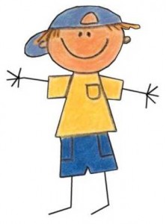
 |  |  |  |  |  |  |  |  |  | Hobbies:

 |  |  |  |  |  |  |  |  |  | Note:

 |  |  |  |  |  |  |  | Class
 |  |  |  |  | Made Contact On: | How: | Notes: |  | QRT 1 | QRT 2

E Smith
Name | Gender | Grade | Birthday | Student ID | Learning Coach | Contact Info. | Address | Email |  | Notes…
 |  |  |  |  |  |  |  |  |  | Why UTVA?
 |  |  |  |  |  |  |  |  |  | Internet Access:
 |  |  |  |  |  |  |  |  |  | Received Materials:
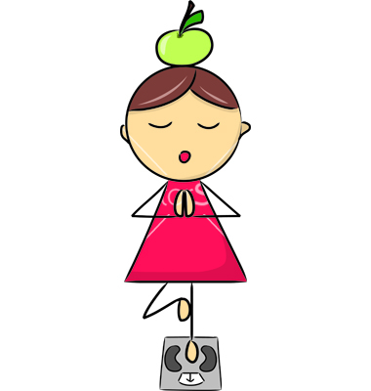
 |  |  |  |  |  |  |  |  |  | Hobbies:

 |  |  |  |  |  |  |  |  |  | Note:

 |  |  |  |  | Made Contact On: | How: | Notes: | Class | QRT 1 | QRT 2

SAGE Results
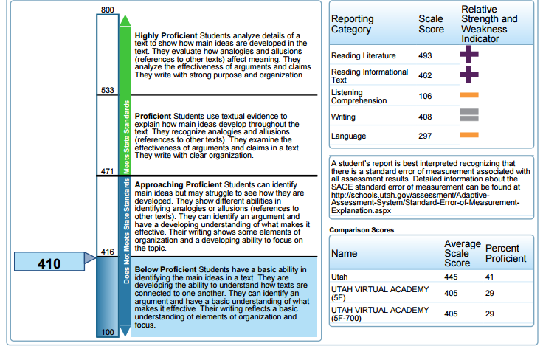
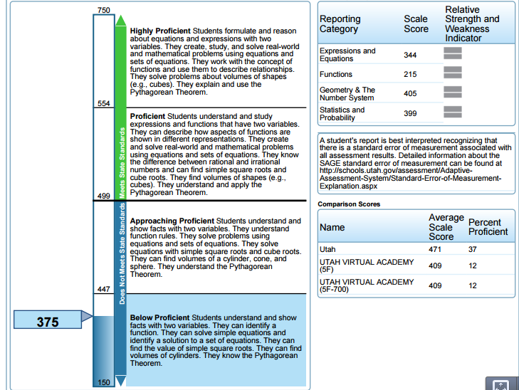
SAGE SCORES 2014

Name | Student ID | English | Math | Science | Proficent | Scores
 | 307742 | _ | _ | _ | English | 471
 | 1544387 |  |  |  | Math | 499
 |  |  |  |  | Science | 840
 | 1534424 | 465 | _ | 826
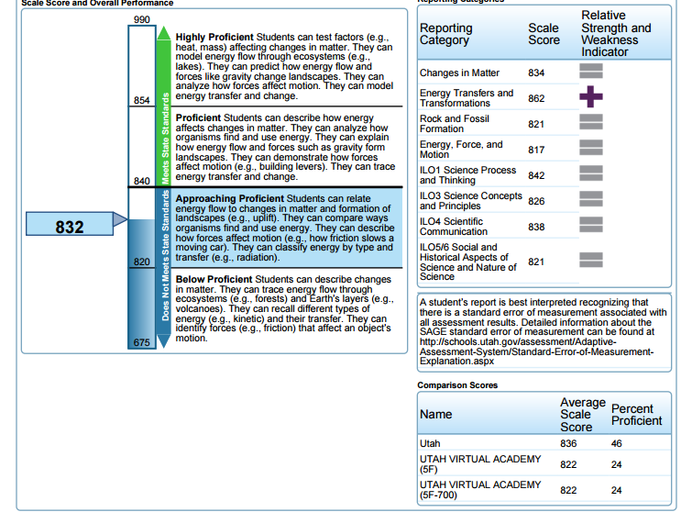
 | 1464797 | 410 | _ | 832
 |  | 514 | 412 | 818
 | 1295973 | 328 | 215 | 781
 | 1359074 | 879 | _ | 804

 | 1516175 | 448 | _ | 817
 | 1019633 | 372 | 471 | 862
 | 1590322 | 436 | _ | 818
 | 1113075 | 328 | _ | 821

 | 1349828 | _ | 379 | _
 |  | 393 | 472 | 827
 | 1135868
 |  | _ | _ | invalidated
 |  | _ | _ | _
 | 1542680 | 329 | _ | 833

 | 240486 | 343 | 410 | 819
 | 1470221 | 283 | _ | 807
 |  | to few items attempted | _ | _
 | 1612388 | _ | _ | _
 |  | _ | _ | _

